Sheet1
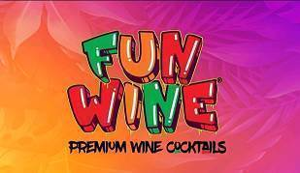

750mL bottles | # Bottles | # Cases
HB Strawberry Rose Moscato | 49,404 | 4,117
HB Peach Passion Moscato | 48,984 | 4,082
HB Sangria Red | 44,688 | 3,724
HB Coconut Pineapple Chardonnay | 19,380 | 1,615
Cafe Graffiti Cappuccino Chardonnay | 17,016 | 1,418
Cafe Graffiti Espresso Cabernet | 14,580 | 1,215
Total | 194,052 | 16,171

Hard Bubbly (24/330ML)
HB Strawberry Rose Moscato | 145,728 | 6,072
HB Peach Passion Moscato | 129,384 | 5,391
HB Sangria Red | 92,616 | 3,859
HB Coconut Chardonnay | 159,576 | 6,649
Cafe Graffiti Cappuccino Chardonnay | 112,152 | 4,673
Cafe Graffiti Espresso Cabernet | 100,944 | 4,206
Total | 740,400 | 30,850

Hard Bubbly 330 ml 4packs
Cafe 4 pack (24/330ML) | 60,528 | 2,522
Fruit 4 pack (24/330ML) | 116,232 | 4,843
6 pack (12/750ML) | 6,000 | 500
Total | 182,760 | 7,865
Grand Total | 1,117,212 | 54,886

